3. View Scores over time
 | Trends Over Time

 |  | Step 1: Go to Tab 2: Take Asessment and filter Column B to the Target Group you wish to view.
 |  | Step 2: Go to Tab 2: Take Asessment and filter Column C to the Target Capability you wish to view.

 |  |  | Group: | Engineering
 |  |  | Capability: | Architecting for Cloud

 | Capability Scores |  |  |  | Lens Scores
Line Graphs

RELATIVE TO TARGET par rapport à Date
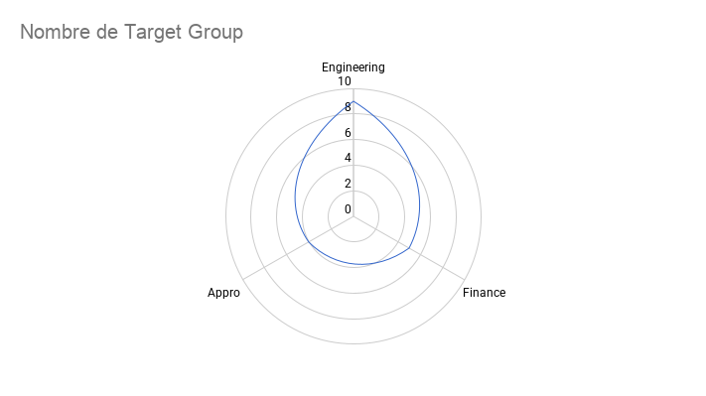

Bar Graphs

Capability Score Relative to Targets
 | Anomaly Management Forecasting Data Ingestion Budgeting Anomaly Management Forecasting Data Ingestion Budgeting Anomaly Management Forecasting Data Ingestion Budgeting Anomaly Management Forecasting Data Ingestion Budgeting
Lens Scores Relative to Targets
 | Knowledge | Process | Metrics | Adoption | Automation

